Bug Report
Defect Report |  | Defect Report |  | Defect Report |  | Defect Report |  | Defect Report

Release | V.1.0 | Release | V.1.0 | Release | V.1.0 | Release | V.1.0 | Release | V.1.0
Title | User is not able to signup if he/she enters a first name with three charachters | Title | The location of the loader in the login page is wrong | Title | No available task message will appear when adding a total of 5 tasks | Title | Username Field Displays 2-Character Username Instead of "user" | Title | the design of the app is not responsive on mobile phones screens
Description | It happens in all the browsers and all the screen views, the first name that we used during the testing is HAT | Description | After logging and while waiting the response from the server, the loader will appear in a wrong location, down with alot of margin | Description | In the todo page and when you add 5 todos, the message "No available tasks" will appear | Description | When the username is exactly 2 characters long, the system incorrectly displays the two-character username instead of "user" in the welcome message on the "To Do" page. | Description | When trying the application on mobile phone screen, the design is not dispalyed correctly
Steps | 1- Enter a first name with "HAT". 2- Fill a correct last name. 3- Fill a correct email formate, and the email should not be registered in the database. 4- Fill a correct password. 5- Fill a correct confirm password. 6- Click on signup button | Steps | 1- Go to login page 2- Fill the email 3- Fill the password 4- Click on login 5- Check the loader | Steps | 1- Go to Todos Page 2- Add 5 tasks | Steps | 1- Go to Todos Page 2- check the username in the greeting message | Steps | 1- login uding a mobile phone 2- navigate to the todos page
Expected Results | Should be able to signup correctly | Expected Results | The loader should appear correctly in the correct location | Expected Results | No available tasks should not be visible | Expected Results | "user" word should be displayed | Expected Results | The app layout adapts to mobile screens without elements being cut off, misaligned, or too small.
Actual Result | This error message was displayed "First Name is required, and it should be more than 3 characters" | Actual Result | The loader will be displayed in a wrong location | Actual Result | No available task is visible | Actual Result | 2-Character Username is displayed | Actual Result | The app is not working proberly on a mobile phone screens and the design damaged
Environment | Chrome V.129.0.6668.90 | Environment | Chrome V.129.0.6668.90 | Environment | Chrome V.129.0.6668.90 | Environment | Chrome V.129.0.6668.90 | Environment | Iphone xr
Screenshot / Video | 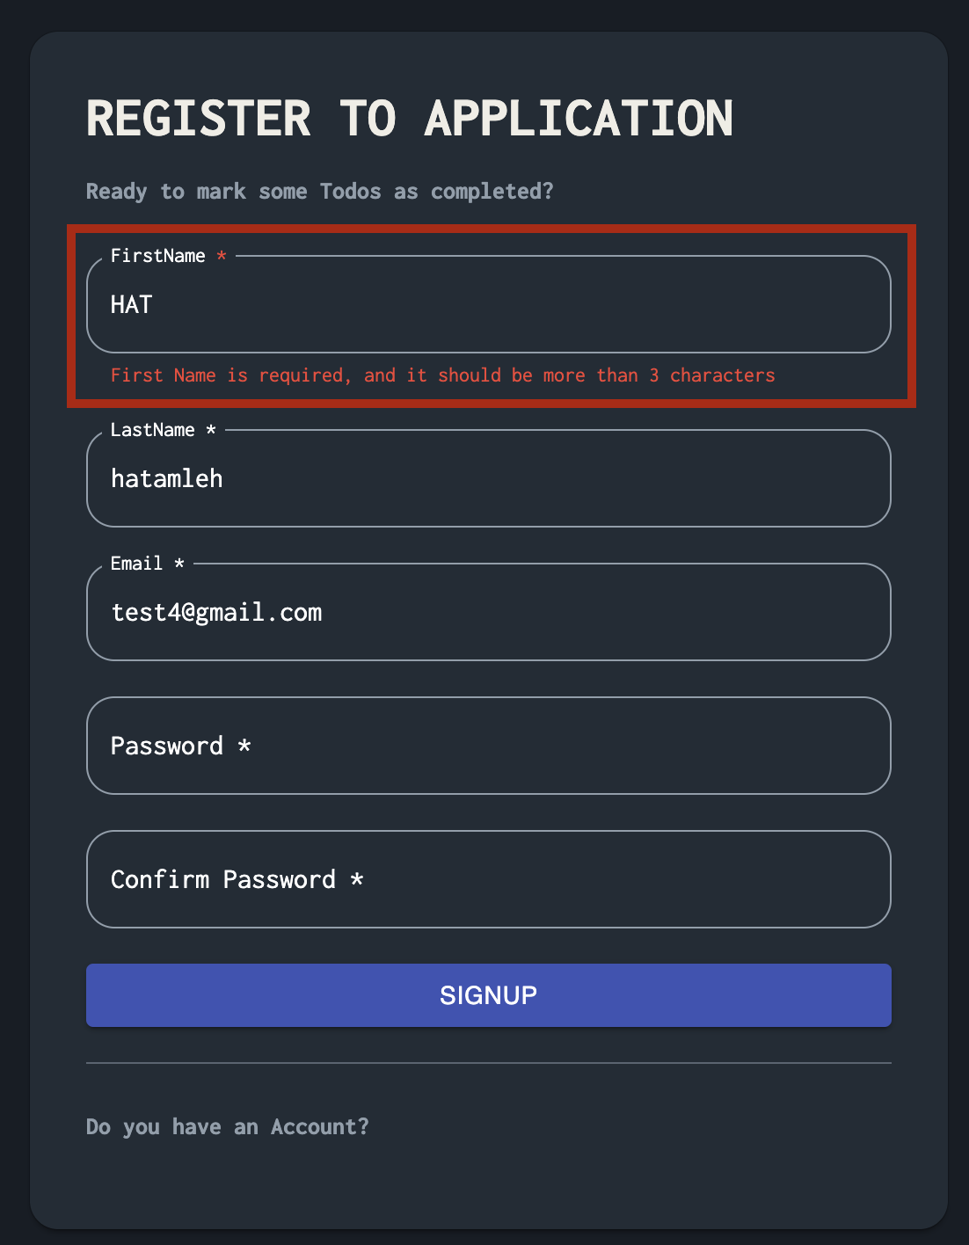 | Screenshot / Video | 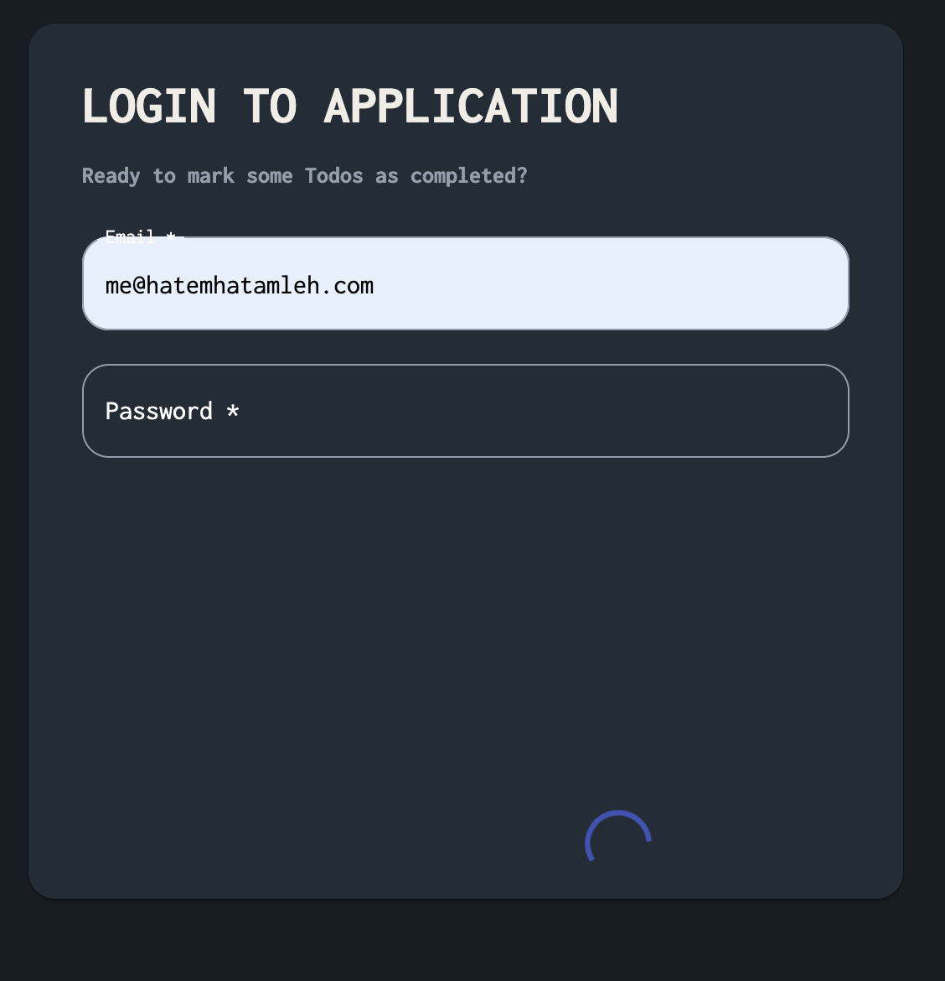 | Screenshot / Video | 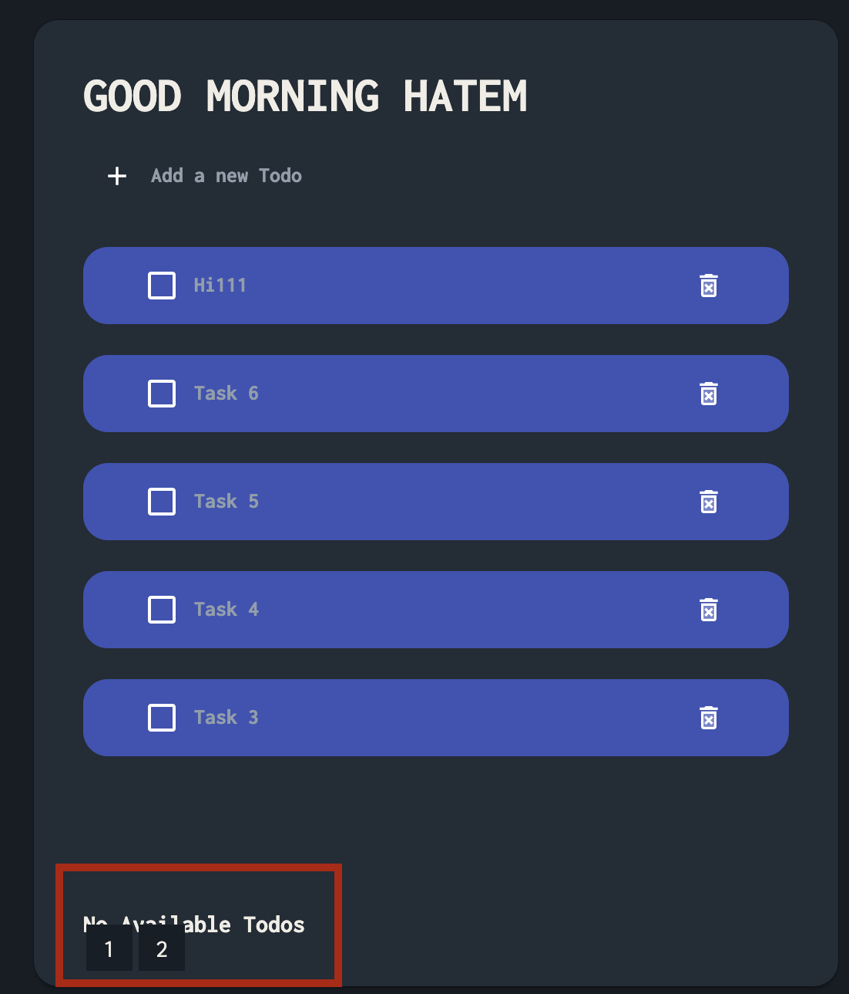 | Screenshot / Video | 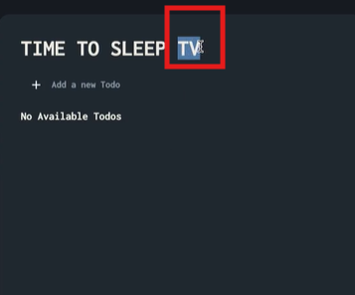 | Screenshot / Video | 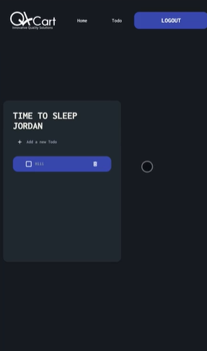
Rate | 2022-05-05 | Rate | 2022-05-05 | Rate | 2022-05-05 | Rate | 2022-05-05 | Rate | 2022-05-05
Priority | Medium | Priority | Low | Priority | High | Priority | Low | Priority | high
Status | Open | Status | Open | Status | Open | Status | Open | Status | Open

